Template CPV Reimbursement
CLAIM PAYMENT VOUCHER

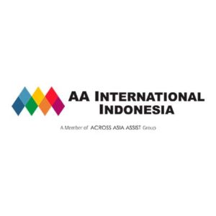
TOTAL COVER |  |  |  | Rp16,126,863.40
DATE |  |  |  | 2020-08-27
PAYMENT VOUCHER NUMBER |  |  |  | PT Tokio Marine Life Insurance Indonesia/Batch20200827
CLIENT |  |  |  | PT Tokio Marine Life Insurance Indonesia
SOURCE |  |  |  | BANK CIMB NIAGA
SOURCE ACCOUNT |  |  |  | 800137565800
TOTAL RECORD |  |  |  | 1

NO | CASE ID | TYPE | SERVICE TYPE | PATIENT | PRINCIPLE | POLICY HOLDER | PROVIDER | ON BEHALF | BANK | ACC NUMB | COVER AMOUNT | TOTAL AMOUNT | Provider | Source | Source Acc | MEMBER ID | Client | Company | Other Provider
1 | 403380 | Reimbursement | Inpatient | Fadillatul Dipoyanti Ningrum | Fadillatul Dipoyanti Ningrum | Fadillatul Dipoyanti Ningrum | ADI HUSADA UNDAAN WETAN SURABAYA, RS | Fadillatul Dipoyanti Ningrum | PT Bank Central Asia Tbk | 3630055465 | 16,126,863.40

 |  | Verified by |  |  | Approval, |  |  |  | Releaser,

 |  | 27-Aug-20

